User types & actions
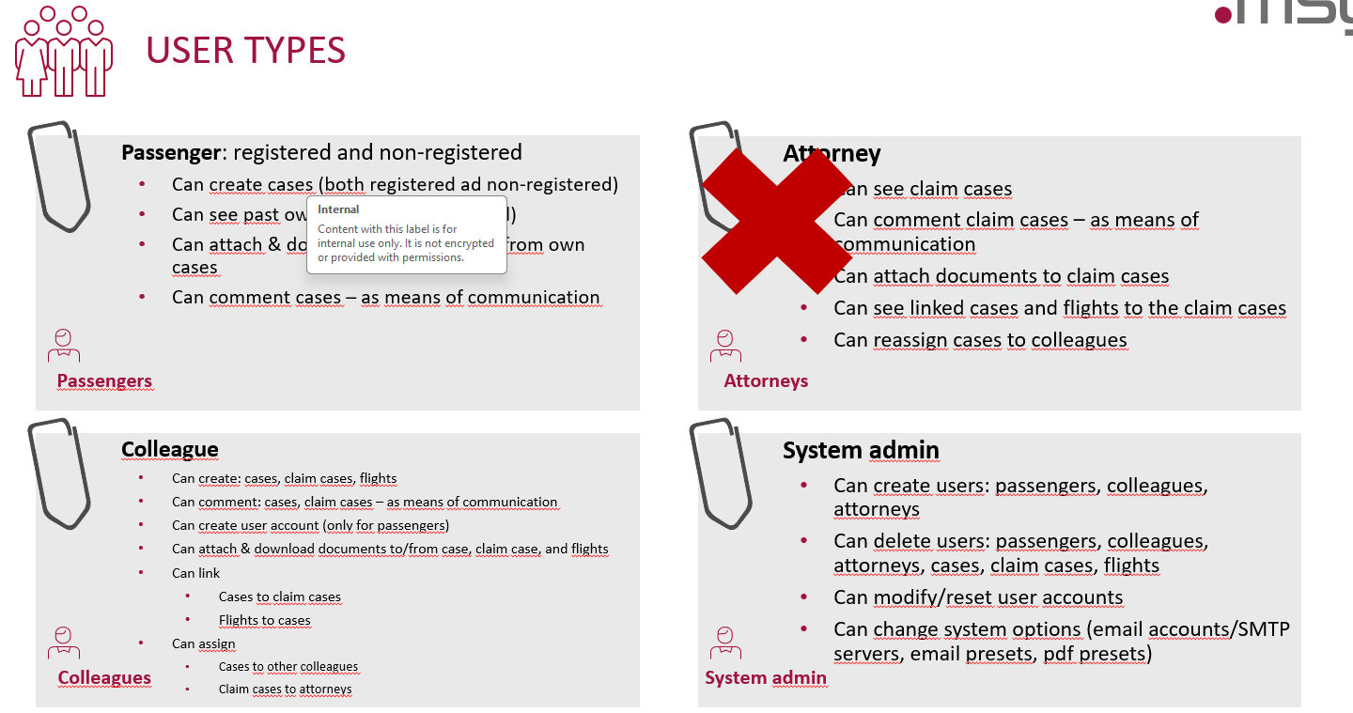
User Type | User Story
Passenger | As a Passenger (registered), I want to create cases so that I can report issues or requests.
 | As a Passenger (non-registered), I want to create cases so that I can report issues without having to register.
 | As a registered Passenger, I want to see my past cases so that I can review their status and details.
 | As a Passenger, I want to attach documents to my cases so that I can provide necessary information.
 | As a Passenger, I want to download documents from my cases so that I can keep a record of them.
 | As a Passenger, I want to comment on my cases as a means of communication to provide additional information or ask questions.
Attorney | Attorneys are not allowed in the system.
Colleague | As a Colleague, I want to create cases, claim cases, and flights so that I can manage work effectively.
 | As a Colleague, I want to comment on cases and claim cases as a means of communication to collaborate with others.
 | As a Colleague, I want to create user accounts for passengers to help them access the system.
 | As a Colleague, I want to attach documents to/from cases, claim cases, and flights to ensure all necessary information is included.
 | As a Colleague, I want to link cases to claim cases to maintain proper case management.
 | As a Colleague, I want to link flights to cases so that I can track relevant flight details.
 | As a Colleague, I want to assign cases to other colleagues to distribute workload efficiently.
 | As a Colleague, I want to assign claim cases to attorneys (if they were allowed) to ensure proper legal handling.
 | As a Colleague, I want to check the eligibility of a flight and claim so that I can determine if further documentation is needed or if the claim should be rejected.
System Admin | As a System Admin, I want to create users (passengers, colleagues, attorneys) so that they can access the system and perform their tasks. - Admin View
 | As a System Admin, I want to delete users (passengers, colleagues, attorneys) to maintain the security and integrity of the system.
 | As a System Admin, I want to delete cases, claim cases, and flights to manage data effectively.
 | As a System Admin, I want to modify/reset user accounts to assist users who are facing issues with their accounts.
 | As a System Admin, I want to change system options (email accounts/SMTP servers, email presets, pdf presets) to ensure the system is configured correctly and meets the needs of the organization.

Case Register Flow
